Foglio1
 | https://www.siku.de/
Articolo | Immagini | EAN | Nome | PVP | PZ | TOTALE
1543 | 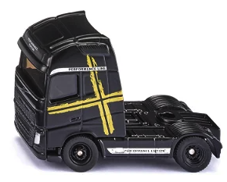 | 4006874015436 | Volvo FH16 Performance | 4.99 € | 1000 | 4,990.00 €
1601 | 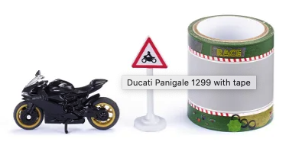 | 4006874016013 | Ducati Panigale with tape | 8.99 € | 1000 | 8,990.00 €
1602 | 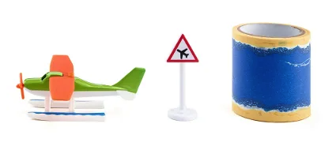 | 4006874016020 | Seaplane with tape | 8.99 € | 1000 | 8,990.00 €
1604 | 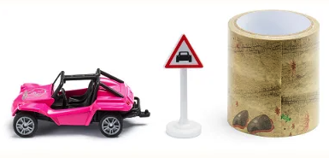 | 4006874016044 | Buggy with tape | 8.99 € | 1000 | 8,990.00 €
1677 |  | 4006874016778 | Tractor with irrigation reel | 8.99 € | 1000 | 8,990.00 €
1799 | 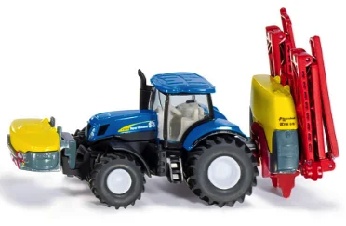 | 4006874017997 | New Holland with Kverneland Crop Sprayer | 15.99 € | 1000 | 15,990.00 €
1970 |  | 4006874019700 | Strautmann Fodder Wagon in 1:50 | 11.99 € | 1000 | 11,990.00 €
1972 | 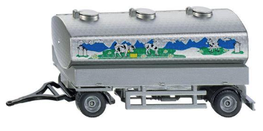 | 4006874019724 | Milk collecting trailer scale 1:50 | 16.99 € | 1000 | 16,990.00 €
1990 | 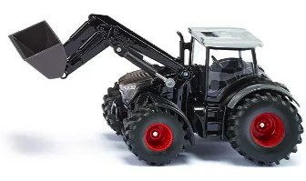 | 4006874019908 | Fendt with Frontloader scale 1:50 | 23.49 € | 1000 | 23,490.00 €
2306 | 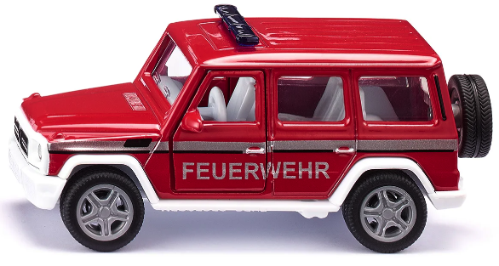 | 4006874023066 | Mercedes AMG Fire Command Car | 15.99 € | 1000 | 15,990.00 €
2715 | 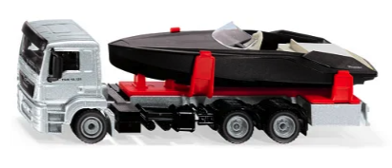 | 4006874027156 | MAN Truck with Motorboat | 26.49 € | 1000 | 26,490.00 €
3061 | 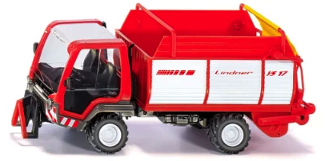 | 4006874030613 | Lidner Unitrac | 33.99 € | 1000 | 33,990.00 €
3562 | 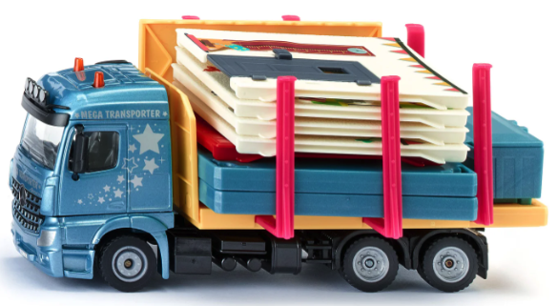 | 4006874035625 | Prefab house transporter | 37.99 € | 1000 | 37,990.00 €
5503 |  | 4006874055036 | Drawbridge | 42.99 € | 1000 | 42,990.00 €
5504 | 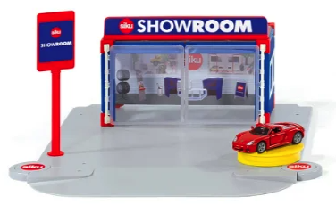 | 4006874055043 | Car Showroom | 31.99 € | 1000 | 31,990.00 €
5506 | 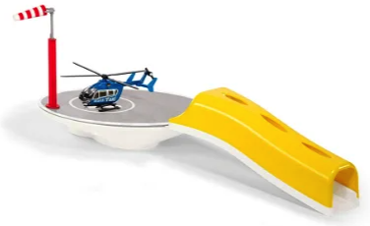 | 4006874055067 | Heliport | 28.99 € | 1000 | 28,990.00 €
5510 | 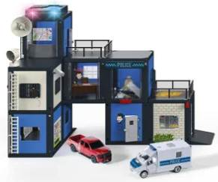 | 4006874055104 | Police station | 89.99 € | 1000 | 89,990.00 €
5591 |  | 4006874055913 | City Life set | 13.99 € | 1000 | 13,990.00 €
5592 |  | 4006874055920 | Accessoiries Waterways | 13.99 € | 1000 | 13,990.00 €
5698 |  | 4006874056989 | Cover and tyres | 9.99 € | 1000 | 9,990.00 €
6323 | 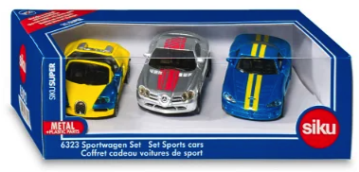 | 4006874063239 | Sports Cars Set | 19.99 € | 1000 | 19,990.00 €
 |  |  | TOTALE |  | 21000 | 475,790.00 €

